Application
Jeffrey W. Cown, Director
Air Protection Branch
4244 International Parkway
Suite 120
Atlanta, Georgia 30354
404-363-7000
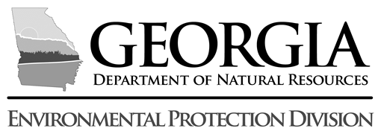

The Environmental Protection Division is providing this Request for Applications (RFA) form for proposals to replace public school buses early in Georgia. The selection process is competitive and funded through the Diesel Emission Reduction Act (DERA) State Clean Diesel Grant. Please complete this form. Upon completion, the form may be e-mailed to our designated correspondant at ama.maiki@dnr.ga.gov. Alternately, the form may be mailed to Environmental Protection Division, Planning and Support Program, 4244 International Parkway Suite 120, Atlanta, GA 30354 to the attention of Ama Maiki. Applications must be received by 4:30 p.m. on July 28, 2025.

State DERA Program FY: | 2024
School System Name:
County: |  | Air Quality Priority for Funding:
FEI# (Federal Tax ID): |  | Duns #:
Director or Other Authorized Official:
Mailing Address:
Street Address:
City |  |  | Zip Code:
Phone Number:
Email:
Number of buses to be replaced:
Do you have a set retention policy for school buses or is it case-by-case?
 |  |  |  | Years

Please include a list of the buses proposed to be replaced with new buses using the "Bus Fleet" tab. The white/blue fields need to be completed. Old buses must be diesel-powered with fleet turnover indicating the bus would have normally remained in service for three or more years. The new replacement bus must be the same “type” (e.g., Type C must replace a Type C).

Fuel Type(s):
 |  | Average cost per bus:
Total Project Cost: |  |  | $0
Amount of Matching Funds (Minimum 85.5%): |  |  | $0
Requested DERA Funding (Max $636,968): |  |  |  |  | <-- Please Enter DERA Amount Your Are Requesting
Lifetime NOx Emission Reductions for Project: |  |  |  | tons
Cost-effectiveness of DERA Funding at Reducing NOx Emissions: |  |  |  | $/ton
Signature of Transportation Director or other Authorized Official

 |  |  | Date

