Classifying SLs
Classifying Service Lines and Lead and Copper Tap Monitoring Tiers

Introduction
In many cases, service line ownership is split meaning that the system owns a portion and the customer owns a portion of the service line. Exhibit 1 below is a diagram of a possible division in service line ownership between the water system and customer. While the LCRR requires the inventory to categorize each service line or portions of the service line where ownership is split, a single classification per service line is also needed to support various LCRR requirements, such as lead service line replacement (LSLR), tap sampling, and risk mitigation. Table 1 below indicates how to classify the material for the entire service line when ownership is split between the water system and customer. For more information, see EPA's, Guidance for Developing and Maintaining a Service Line Inventory (2022).

Exhibit 1. Example of Service Line Ownership Distinction between the Water System and Customer
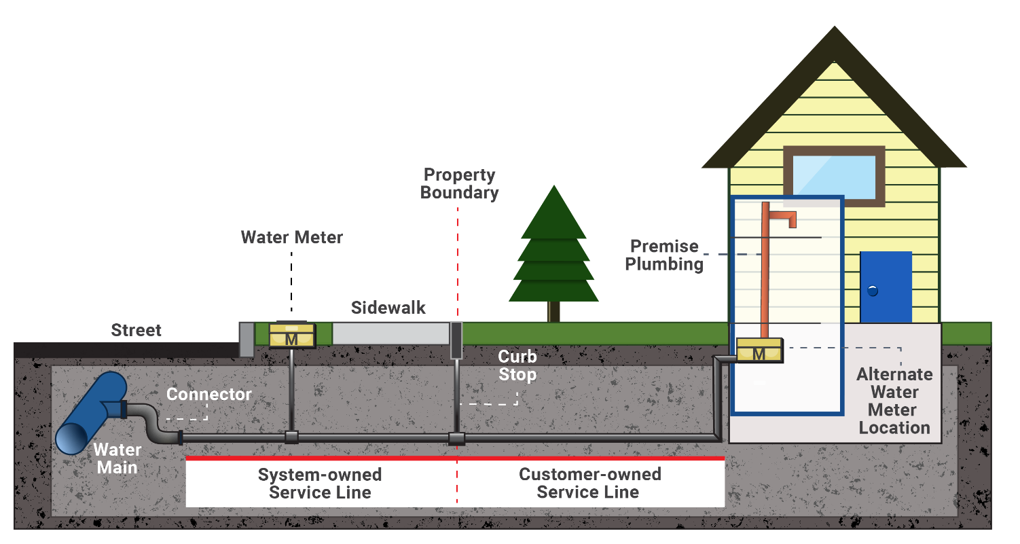

Source: Exhibit 2-2 of Guidance for Developing and Maintaining a Service Line Inventory (USEPA, 2022).

Table 1: Classification of Entire Service Line When Ownership is Split
Water System-Owned Portion | Customer-Owned Portion | Classification for Entire Service Line
Lead | Lead | Lead
Lead | Galvanized Requiring Replacement | Lead
Lead | Non-lead | Lead
Lead | Lead Status Unknown | Lead
Non-lead | Lead | Lead
Non-lead and never previously lead | Galvanized Not Requiring Replacement | Non-lead
Non-lead | Non-lead, material other than galvanized | Non-lead
Non-lead | Lead Status Unknown | Lead Status Unknown
Non-lead, but system is unable to demonstrate it was not previously Lead | Galvanized Requiring Replacement | Galvanized Requiring Replacement
Lead Status Unknown | Lead | Lead
Lead Status Unknown | Galvanized Requiring Replacement | Galvanized Requiring Replacement
Lead Status Unknown | Non-lead | Lead Status Unknown
Lead Status Unknown | Lead Status Unknown | Lead Status Unknown
Source: Taken and modified from Exhibit 2-3 of Guidance for Developing and Maintaining a Service Line Inventory (USEPA, 2022).

Table 2: Defining Service Line Material Classifications
Service Line Material Classification | Definition
Lead | Any portion of the service line is known to be made of lead.
Galvanized Requiring Replacement (GRR) | The service line is not made of lead, but a portion is galvanized and the system is unable to demonstrate that the galvanized line was never downstream of a lead service line.
Galvanized Not Requiring Replacement (GNRR)1 | The service line is not made of lead and the system is able to demonstrate that the galvanized line was never downstream of a lead service line.
Non-Lead | All portions of the service line are known NOT to be lead or GRR through an evidence-based record, method, or technique.
Lead Status Unknown | The service line material is not known to be lead or GRR. For the entire service line or a portion of it (in cases of split ownership), there is not enough evidence to support material classification.
1 Georgia specific material classification.

GA Detailed SL Inventory

GA EPD LCRR Service Line Inventory (SLI) Spreadsheet
Water System Name:
Water System ID#: | GA
Water System Type: | Select Water System Type
Initial Inventory Submission Date:
Purpose of this worksheet: To provide a Georgia specific format to be used by water systems to track and submit materials for each service line in their distribution system. General Instructions: Each row in this worksheet represents one service line connecting the water main to the customer's plumbing. The worksheet includes both required elements that must be submitted to the GA EPD and recommended elements that may assist water systems in tracking and replacing service lines. Required columns are marked with a *Required* in the table heading. Cells missing required information will be highlighted in red until completed. Systems can add a row to the table by typing information in the cell directly below the last line in the table and then clicking or tabbing off the selected cell. Important notes for each column are in Row 13; also see the Template Instructions worksheet for detailed instructions. Note that users can freeze panes to enable them to see the headings and notes when entering data. An example worksheet can be found under the "Example SL Inventory" worksheet.
 | *Information in the boxes below will autofill as the GA Detailed SL Inventory worksheet is completed*
 |  |  |  |  | 10 | 0 | 0 | 0 | 0
 |  |  |  |  | Total Number of Service Lines | Number of Lead Service Lines | Number of Galvanized Requiring Replacement Service Lines | Number of Lead Status Unknown Service Lines | Number of Non-Lead Service Lines

Location Information |  |  |  |  |  |  | Ownership | Water System-Owned Portion |  |  |  |  |  |  |  | Customer-Owned Portion |  |  |  |  |  |  | Overall Service Line Material Classification | Lead and Copper Tap Monitoring Tier Classification |  | School Or Childcare Facility | Service Line Consumer Notice and Lead Service Line Replacement (LSLR) |  |  | 120Water Location ID
A Unique ID is recommended for each service line to track service lines, lead and copper monitoring sites, results, and Consumer Notices. The GA EPD recommend using a numbering or sequential naming system. . | Water systems must track addresses of all service lines in their internal inventory and in the inventory submitted to the GA EPD. For the publicly accessible version, location identifiers are required for lead and galvanized requiring replacement (Column Y). If the system does not use addresses for their location identifier, other options can be found on the template instructions page. |  |  |  |  |  | Water Systems must identify the service line material of each portion of a service line. Select from the dropdown if the service line is owned entirely by either the water system or customer, or if the service line ownership is split between the water system and customer. If ownership of the service line is currently Unknown, water systems may select "Unknown". All service lines with an "Unknown" designation will be treated like "Split Ownership" until identified otherwise. | The service line classification table can be referenced under the "Classifying SLs" worksheet. To add more detailed material classification, select from dropdown in Column K "Water System-Owned Portion Specific Service Line Material " | If known, select the specific service line material from the dropdown bar. Plastic, Copper….. | Additional information water systems want to note pertaining to the service line material. For reference by the water system. (e.g. verification date if applicable) | Method used to determine Service Line Classification. If "Water Quality Sampling" or "Predictive Modeling" is used to classify service lines, the water system must supply documentation to the GA EPD outlining the criteria used to classify service lines and justification for its use. If the material classification in Column J is Lead Status Unknown, "Service Line Classified as Lead Status Unknown" must be selected from the drop-down menu. | Additional information regarding method used to determine service line classification. Inclusion of names, credentials of interviewee, number of potholes, types of records, or any descriptions assisting determinations is highly recommended. | If documentation can be provided, service lines installed on or after January 1, 1990 can be considered non-lead based on the effective dates of the Federal/State lead ban. If known, select Pre or Post 1990. If exact date, or year when the service line was installed or replaced, enter into Column P. | Exact date or year service line was installed or replaced. When uploaded for submission, if only a year is entered, the date will default to January 1 of the date listed. | Presence of a gooseneck, pigtail, or other type of lead connector? Water Systems must replace any lead gooseneck, pigtail, or connector it owns when encountered during planned or unplanned water infrastructure work. | The service line classification table can be referenced under the "Classifying SLs" worksheet. To add more detailed material classification, select from dropdown in Colum S "Customer-Owned Portion Specific Service Line Material" | If known, select the specific service line material from the dropdown bar Plastic, Copper….. | Additional information water systems want to note pertaining to the service line material. For reference by the water system. (e.g. verification date if applicable) | Method used to determine Service Line Classification. If "Water Quality Sampling" or "Predictive Modeling" is used to classify service lines, the water system must supply documentation to the GA EPD outlining the criteria used to classify service lines and justification for its use. If the material classification in Column R is Lead Status Unknown, "Service Line Classified as Lead Status Unknown" must be selected from the drop-down menu. | Additional information regarding method used to determine service line classification. Inclusion of names, credentials of interviewee, number of potholes, types of records, or any descriptions assisting determinations is highly recommended. | If documentation can be provided, service lines installed on or after January 1, 1990 can be considered non-lead based on the effective dates of the Federal/State lead ban. If known, select Pre or Post 1990. If exact date, or year when the service line was installed or replaced, enter into Column X. | Exact date or year service line was installed or replaced. When uploaded for submission, if only a year is entered, the date will default to January 1 of the date listed. | The service line classification table can be referenced under the "Classifying SLs" worksheet. Do not hit delete or backspace in this cell. If the logic is deleted by accident, copy and paste formula from another row in Column Y. | Select one of the three building types needed to identify lead tap monitoring Tier Classification | The purpose of this classification is to assist in identifying routine monitoring sites. Tier Classification chart can be found in the "Classifying SLs" worksheet. Do not hit delete or backspace in this cell. If the logic is deleted by accident, copy and paste formula from another row in Column AA. | Does this location qualify as an elementary school, secondary school, or Licensed childcare facility? Elementary schools are defined as Pre-k and above, but do not exceed 8th Grade. | Entered after initial inventory submission Consumer Notice for Lead, Lead Status Unknown, and GRR must be completed within 30 days of inventory submission Date Customer was notified of a Lead, Lead Status Unknown or a GRR Service Line, including standard language and available replacement programs. | The purpose of this column is to assist water systems in tracking their lead service line replacements. The GA EPD may require water systems to submit additional information on service line replacements outside of this document. Do not include future dates. |  | ID issued by the 120Water PWS Portal when data is exported. This ID must be included if you are using this spreadsheet to upload updates to existing locations or service lines in the PWS Portal by uploading the spreadsheet. Do not include for new locations or service lines.
Unique Service Line ID | Street Address 1 *Required* | Street Address 2 | City *Required* | State *Required* | Zip *Required* | Other Location Identifier *Required if Street Address is not used for the publicly accessible inventory* | Service Line Ownership Type *Required* | Water System-Owned Portion Service Line Material Classification *Required* | Water System-Owned Portion Specific Service Line Material | Water System-Owned Portion Service Line Material Additional Information | Water System-Owned Portion Basis of Material Classification Reference Column J *Required* | Water System-Owned Portion Basis of Material Classification Additional Information | Water System-Owned Portion Service Line Installation Date *Required* | Water System- Owned Portion Exact Service Line Installation Date | Presence of Lead Connector | Customer-Owned Portion Service Line Material Classification *Required* | Customer-Owned Portion Specific Service Line Material | Customer-Owned Portion Service Line Material Additional Information | Customer-Owned Portion Basis of Material Classification Reference Column R *Required* | Customer-Owned Portion Basis of Material Classification Notes | Customer-Owned Portion Service Line Installation Date *Required* | Customer-Owned Portion Exact Service Line Installation Date | Overall Service Line Material Classification *Required* | Building Type Connected to Service Line *Required* | Lead Tap Monitoring Tier Classification | School or Childcare Facility *Required* | Service Line Consumer Notice Completion Date | Date of Water System-Owned Lead Service Line Replacement | Date of Customer-Owned Lead Service Line Replacement | 120Water Location ID
 |  |  |  |  |  |  |  |  |  |  |  |  |  |  |  |  |  |  |  |  |  |  | Service lines not selected |  | Water System Type not selected
 |  |  |  |  |  |  |  |  |  |  |  |  |  |  |  |  |  |  |  |  |  |  | Service lines not selected |  | Water System Type not selected
 |  |  |  |  |  |  |  |  |  |  |  |  |  |  |  |  |  |  |  |  |  |  | Service lines not selected |  | Water System Type not selected
 |  |  |  |  |  |  |  |  |  |  |  |  |  |  |  |  |  |  |  |  |  |  | Service lines not selected |  | Water System Type not selected
 |  |  |  |  |  |  |  |  |  |  |  |  |  |  |  |  |  |  |  |  |  |  | Service lines not selected |  | Water System Type not selected
 |  |  |  |  |  |  |  |  |  |  |  |  |  |  |  |  |  |  |  |  |  |  | Service lines not selected |  | Water System Type not selected
 |  |  |  |  |  |  |  |  |  |  |  |  |  |  |  |  |  |  |  |  |  |  | Service lines not selected |  | Water System Type not selected
 |  |  |  |  |  |  |  |  |  |  |  |  |  |  |  |  |  |  |  |  |  |  | Service lines not selected |  | Water System Type not selected
 |  |  |  |  |  |  |  |  |  |  |  |  |  |  |  |  |  |  |  |  |  |  | Service lines not selected |  | Water System Type not selected
 |  |  |  |  |  |  |  |  |  |  |  |  |  |  |  |  |  |  |  |  |  |  | Service lines not selected |  | Water System Type not selected

